Sheet1
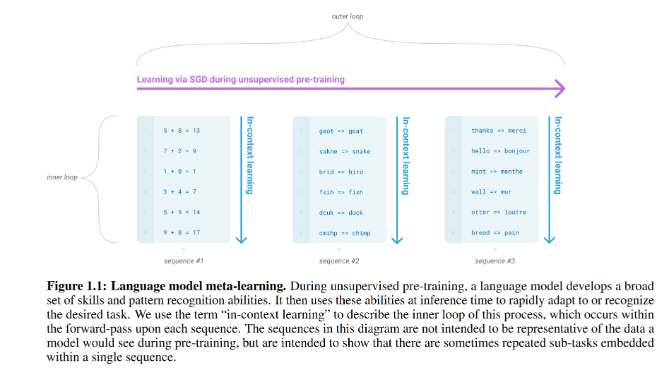
title | Language Models are Few-Shot Learners
author | omission
abstract | GPT-3 is an autoregressive language model
 | w/o any gradient updates or fine-tuning
 | archieves strong preformance on many NLP datasets
 | generate samples of new articles
introduction | a model with good fine-tuned effect may not necessarily prove that the generalization of the pre-trained model is good; maybe overfitted on fine-tuned dataset
 | big enough
methods
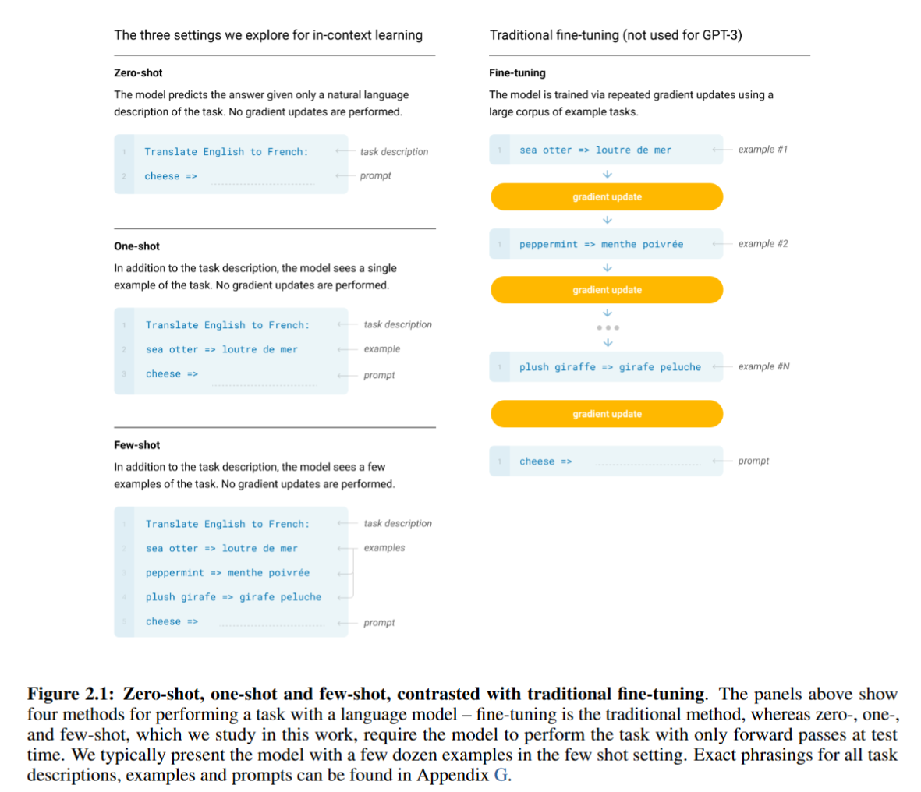

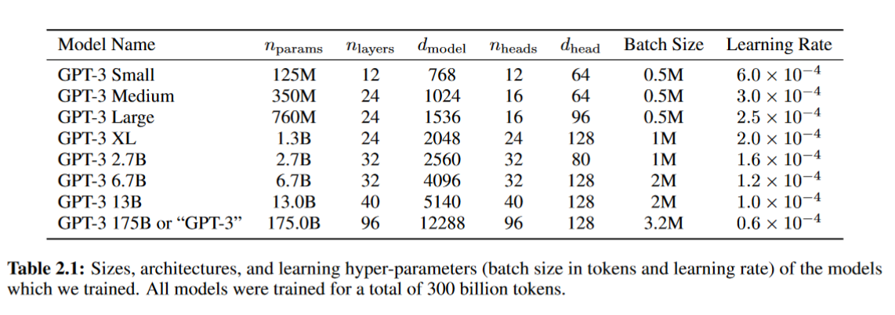

limitations | small sacale prediction
 | only work on text
 | sample efficiency
 | interpretable

